REPORT
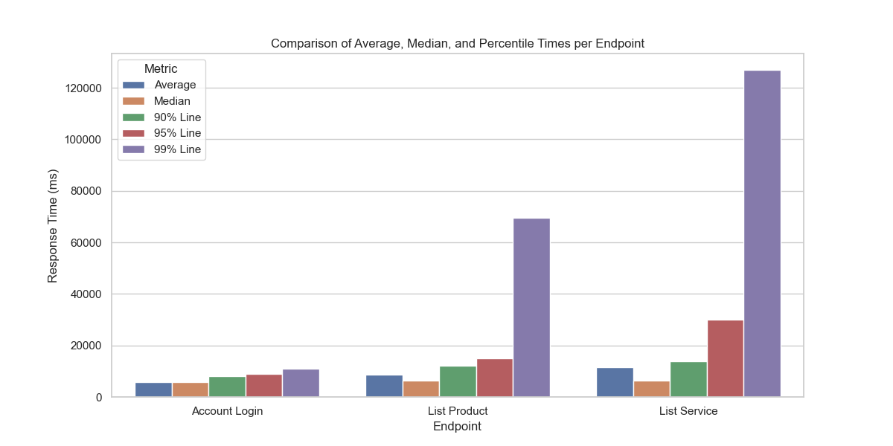
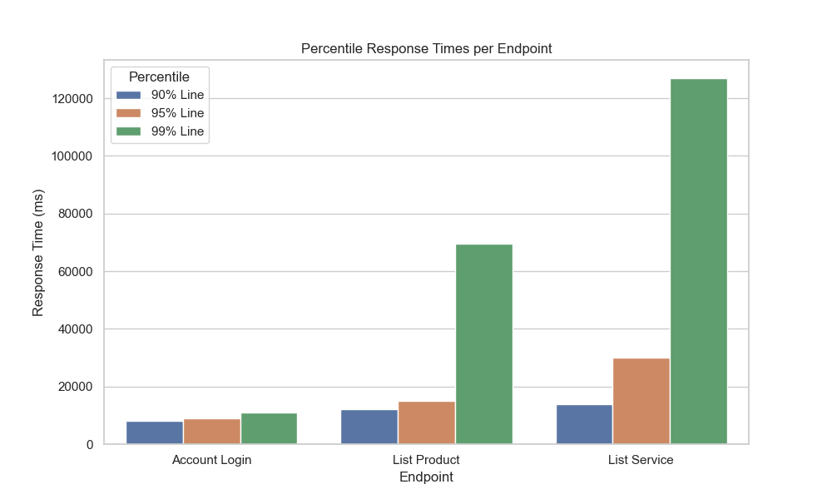
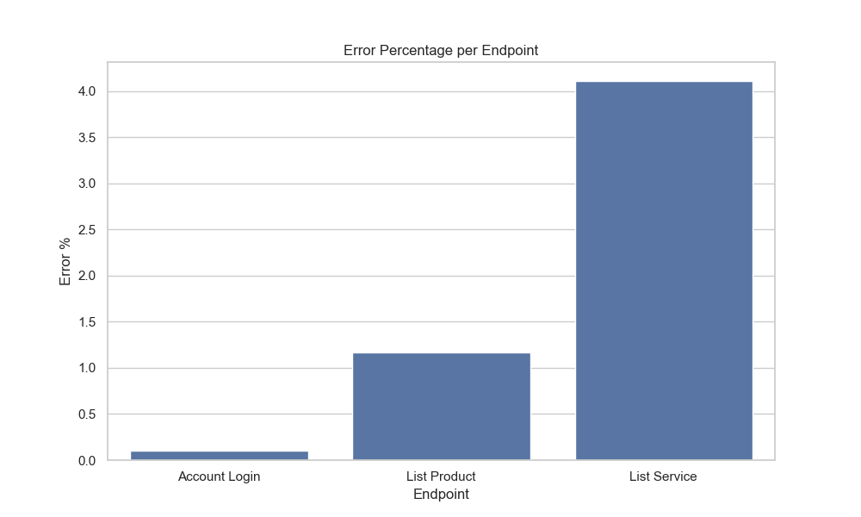
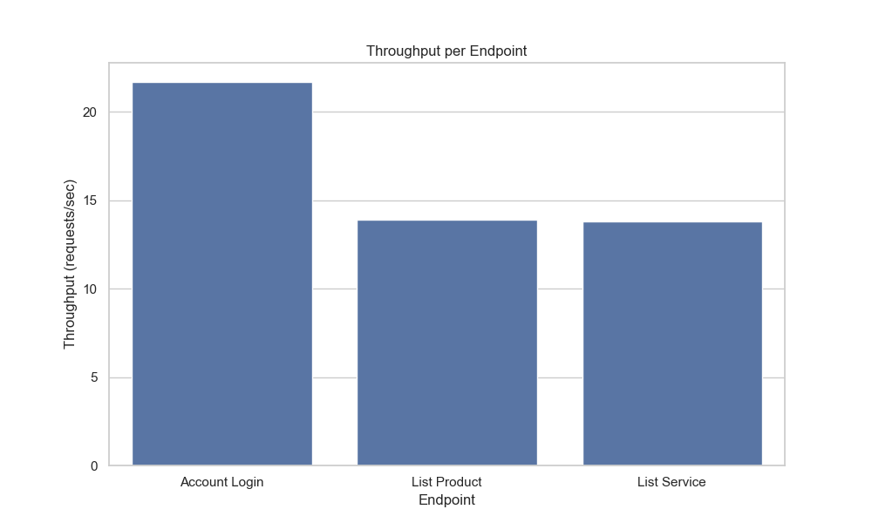
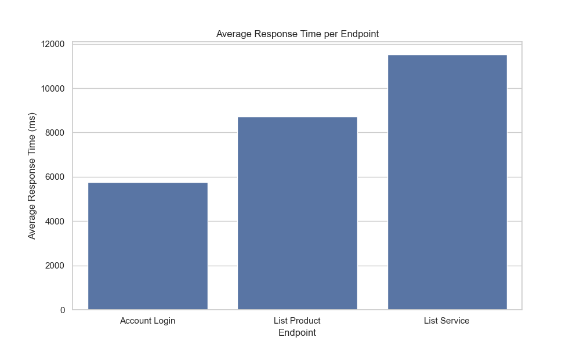
Label | Samples | Average (ms) | Min (ms) | Max (ms) | Error %
Account Login | 22097 | 5762 | 1816 | 28957 | 0.1
List Product | 21876 | 8726 | 1287 | 813480 | 1.17
List Service | 21527 | 11519 | 1268 | 1181977 | 4.11
TOTAL | 65500 | 8644 | 1268 | 1181977 | 1.77

